Statistics & Graph
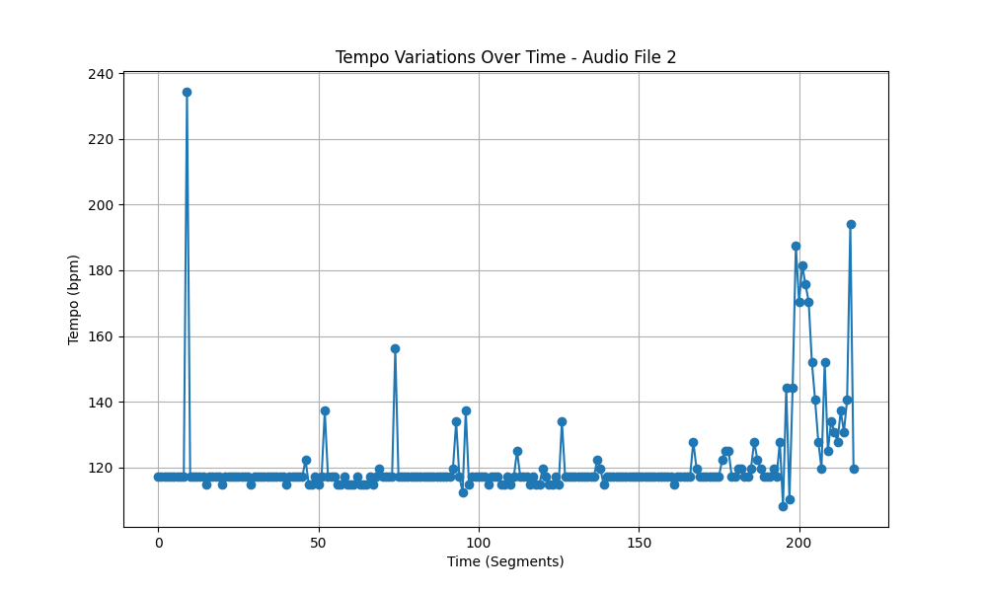
Metric | Value
Mean | 121.25052097
Standard Deviation | 14.278556882
Coefficient of Variation (CV) | 11.77607879

